Damage Pole
Location of Damaged Pole
Sr. No. | Chainage | Side | Arm Type | Foundation/ Bracket | QTY of Damaged Pole | Damaged Pole Availavle at Site | Photo | Location | Remark
1 | 273+850 | Median | Double Arm | Foundation | 1 | 1 | 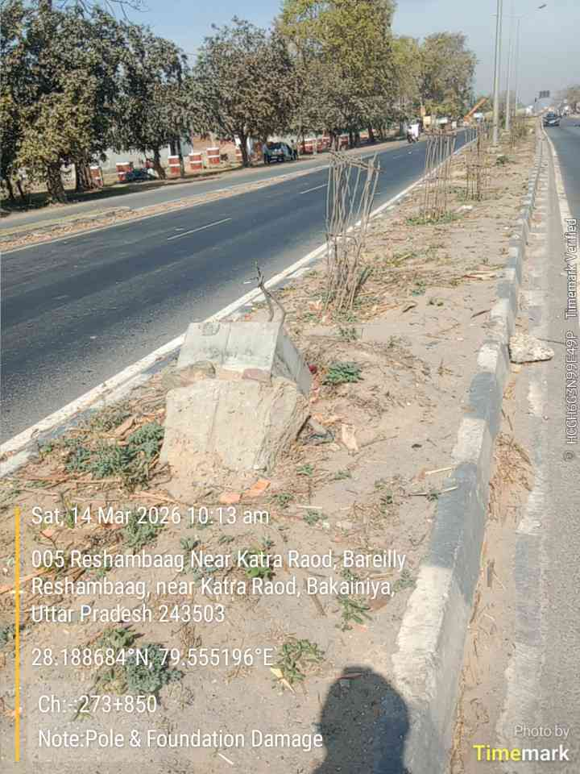 | 005 Reshambaag Near Katra Raod, Bareilly Reshambaag, near Katra Raod, Bakainiya, Uttar Pradesh 243503 | Pole & Foundation Damaged
2 | 273+880 | Median | Double Arm | Foundation | 1 | 1 | 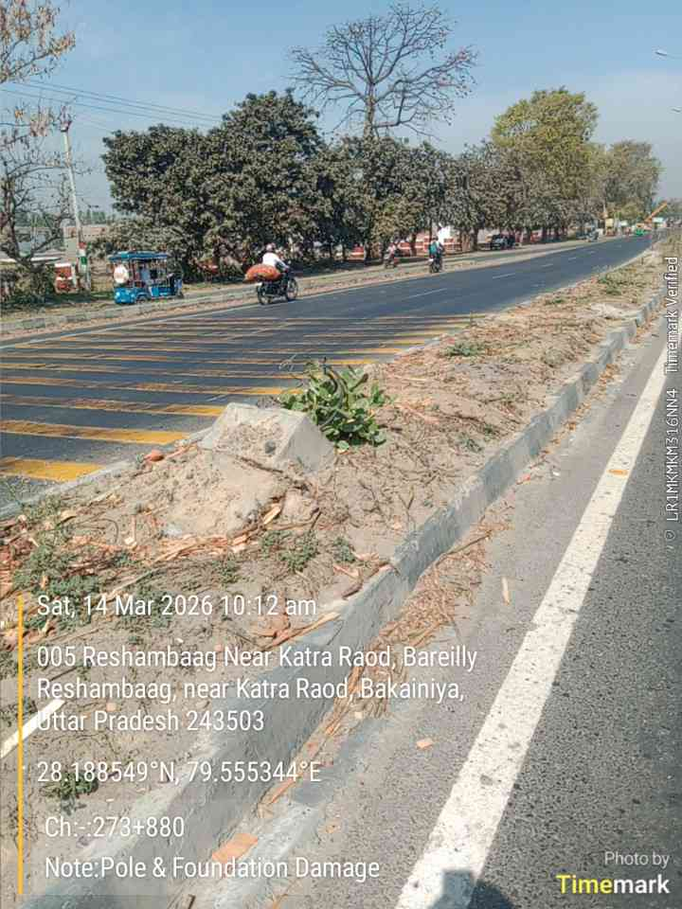 | 005 Reshambaag Near Katra Raod, Bareilly Reshambaag, near Katra Raod, Bakainiya, Uttar Pradesh 243503 | Pole & Foundation Damaged
3 | 274+000 | Median | Double Arm | Foundation | 1 | 1 | 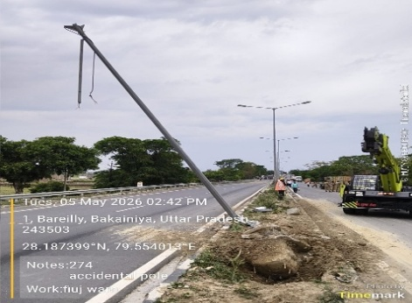
4 | 274+220 | Median | Double Arm | Foundation | 1 | 1 | 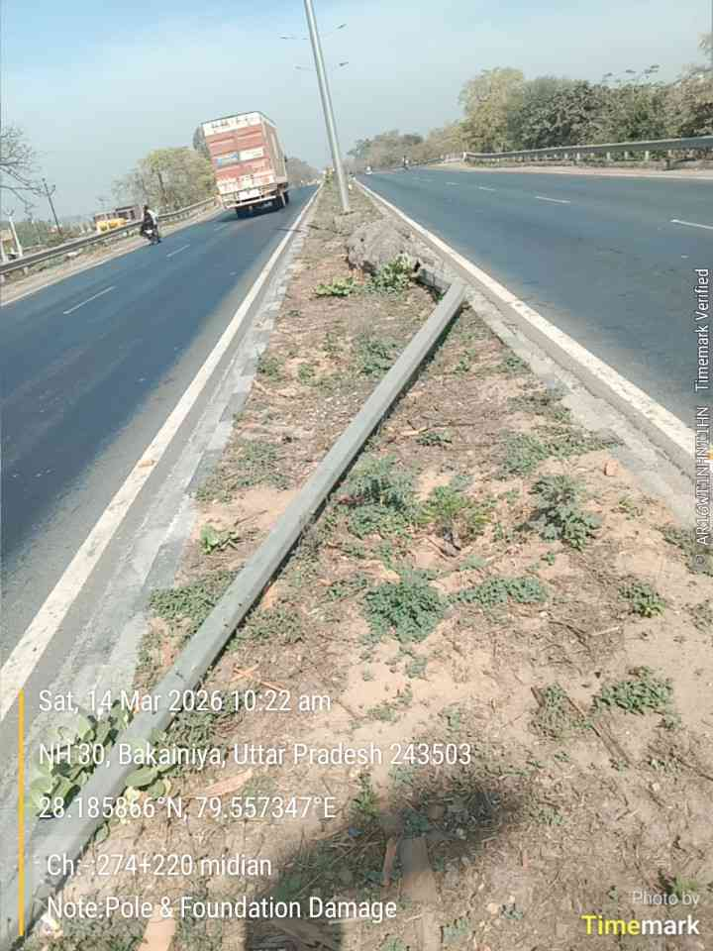 | NH 30, Bakainiya, Uttar Pradesh 243503 | Pole & Foundation Damaged
5 | 277+600 | Median | Double Arm | Foundation | 1 | 1 | 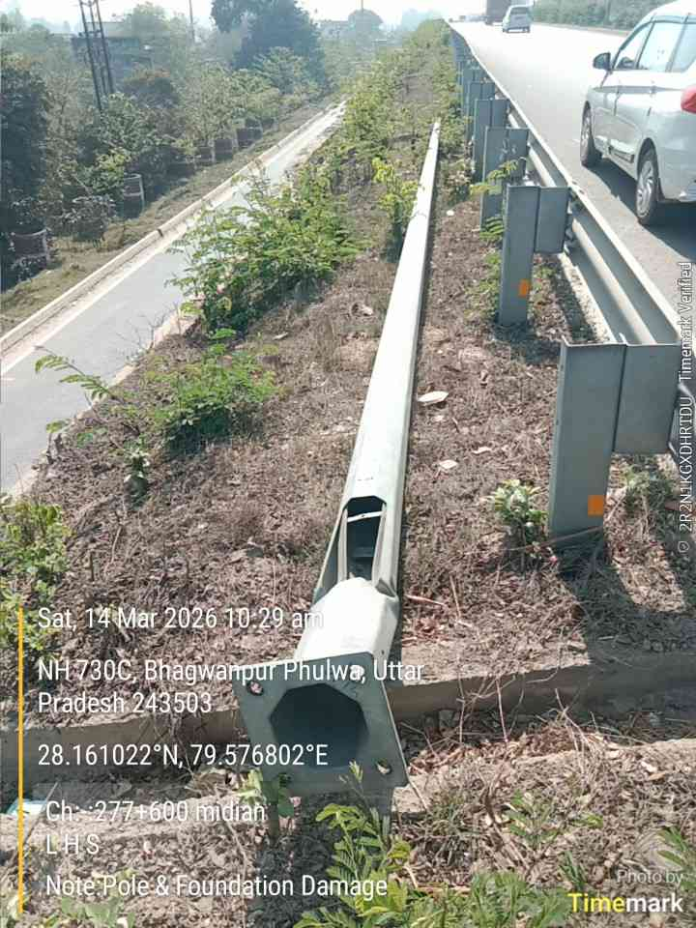 | NH 730C, Bhagwanpur Phulwa, Uttar Pradesh 243503 | Pole & Foundation Damaged
6 | 278+120 | Median | Double Arm | Foundation | 1 | 1 | 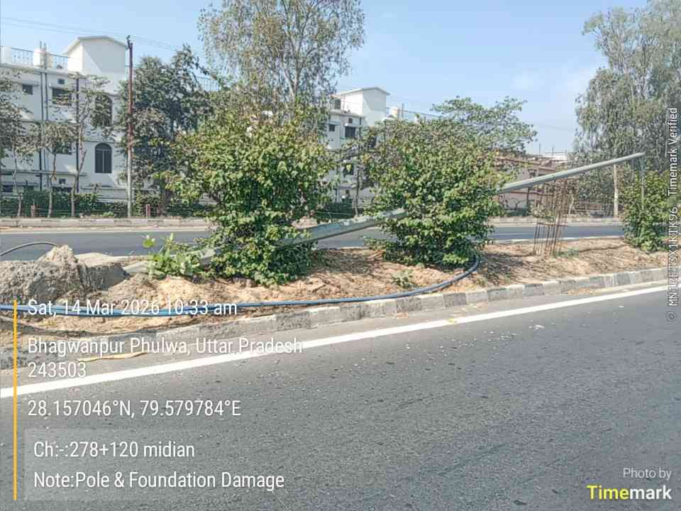 | Bhagwanpur Phulwa, Uttar Pradesh 243503 | Pole & Foundation Damaged
7 | 282+100 | Median | Double Arm | Foundation | 1 | 1 | 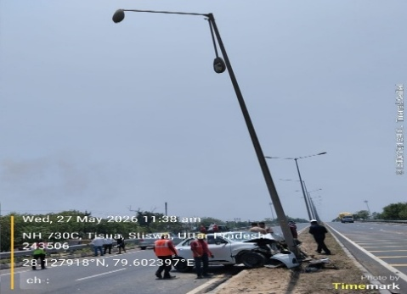
8 | 288+150 | Median | Double Arm | Foundation | 1 | 1 | 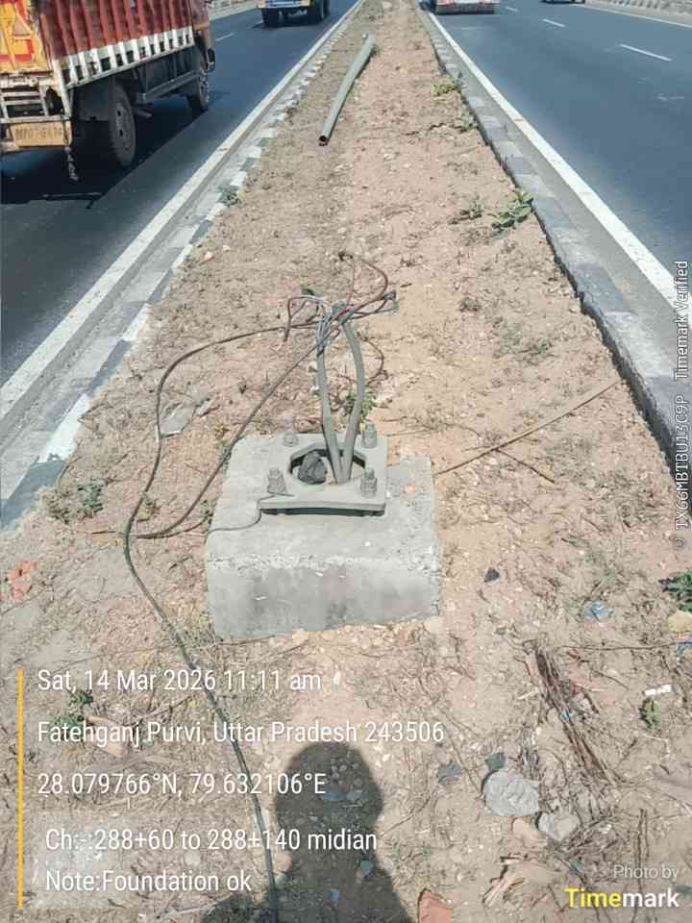 | Fatehganj Purvi, Uttar Pradesh 243506 | Pole Damaged
9 | 288+125 | Median | Double Arm | Foundation | 1 |  | 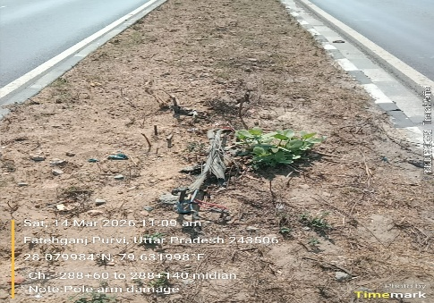 | Fatehganj Purvi, Uttar Pradesh 243506 | Pole Damaged
10 | 288+100 | Median | Double Arm | Foundation | 1 | 1 | 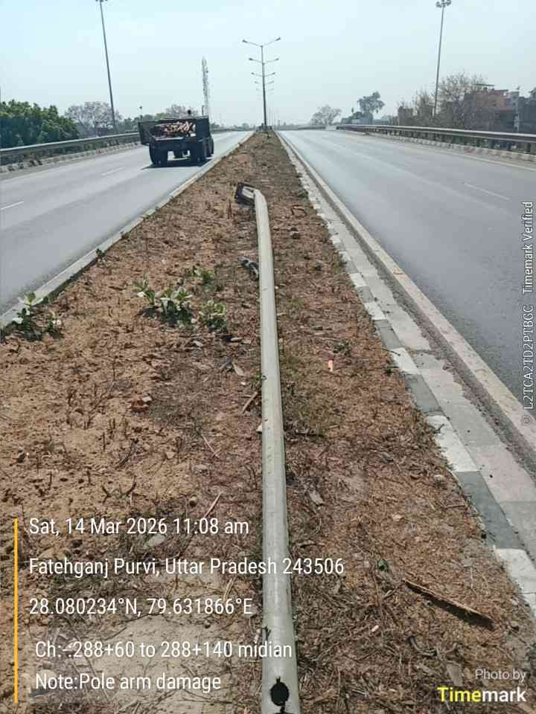 | Fatehganj Purvi, Uttar Pradesh 243506 | Pole & Foundation Damaged
11 | 288+075 | Median | Double Arm | Foundation | 1 | 1 | 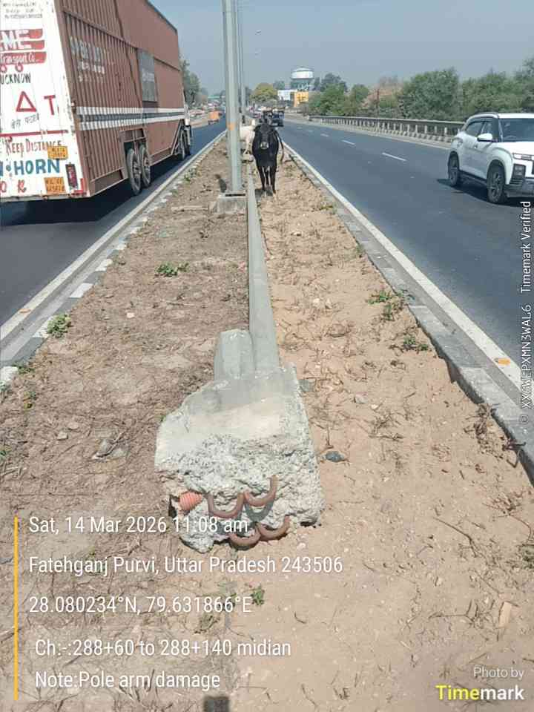 | Fatehganj Purvi, Uttar Pradesh 243506 | Pole & Foundation Damaged
12 | 290+660 | RHS | Single Arm | Bracket | 1 | 1 | 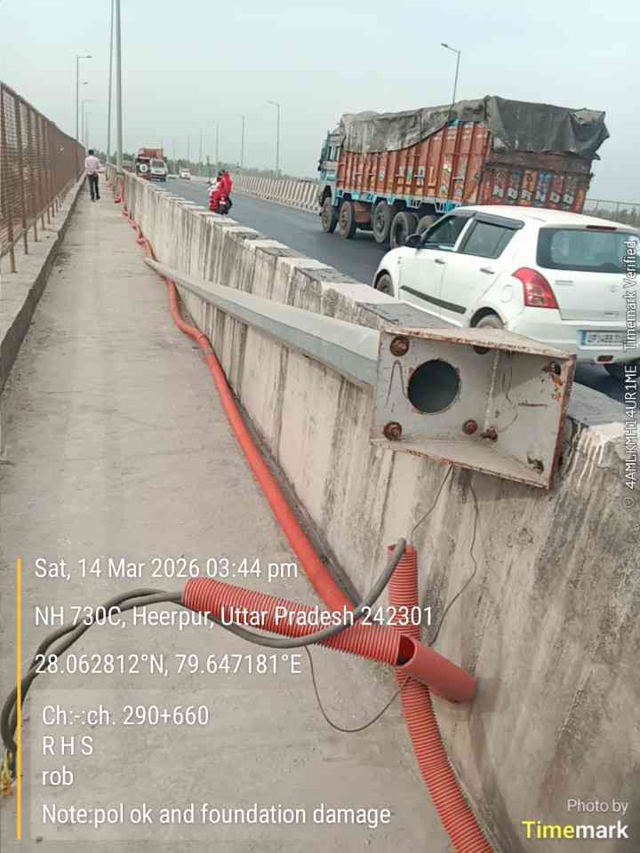 | NH 730C, Heerpur, Uttar Pradesh 242301 | Pole Lay down due to bracket damaged
13 | 290+000 | LHS | Single Arm | Foundation | 1 | 1 | 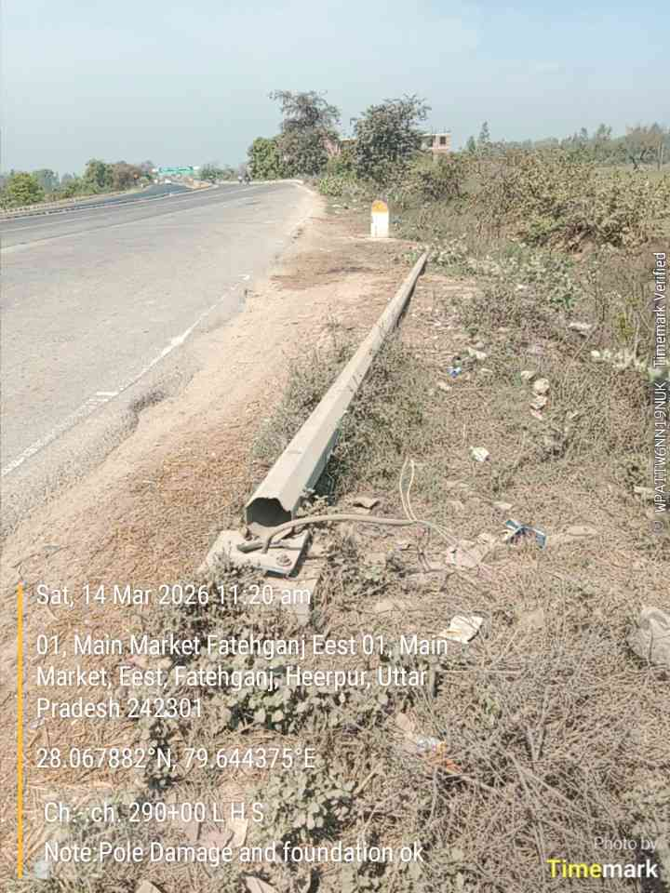 | 01, Main Market Fatehganj Eest 01, Main Market, Eest, Fatehganj, Heerpur, Uttar Pradesh 242301 | Pole & Foundation Damaged
14 | 290+100 | LHS | Single Arm | Foundation | 1 | 1 | 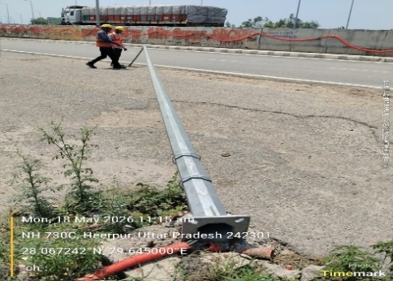
15 | 290+100 | RHS | Single Arm | Foundation | 1 | 1 | 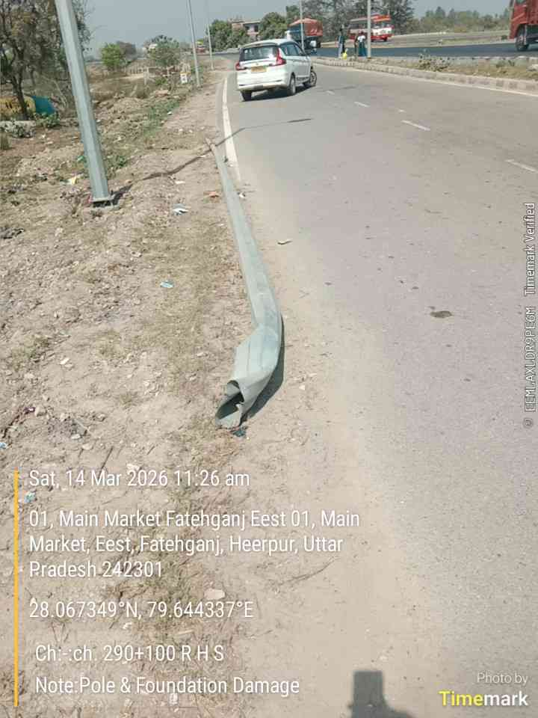 | 01, Main Market Fatehganj Eest 01, Main Market, Eest, Fatehganj, Heerpur, Uttar Pradesh 242301 | Pole & Foundation Damaged
16 | 290+100 | RHS | Single Arm | Foundation | 1 | 1 | 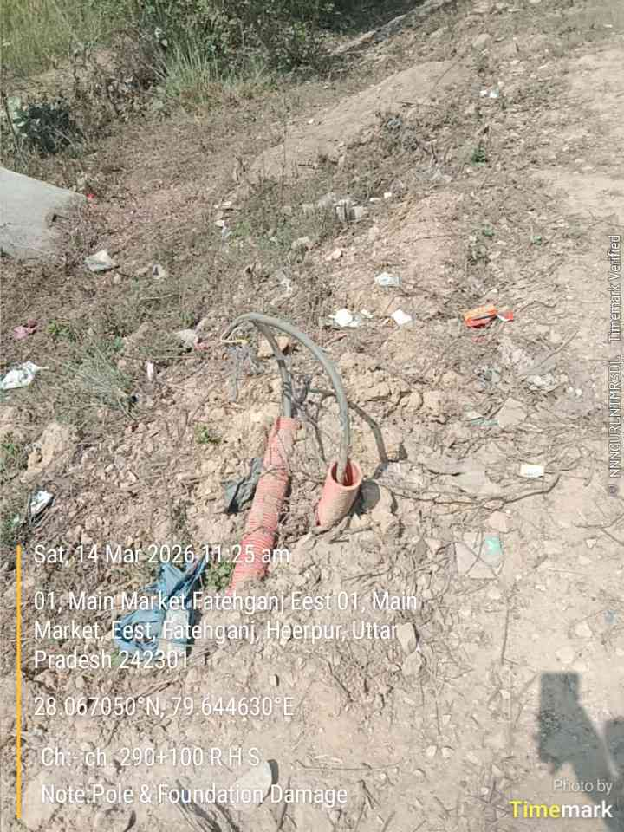 | 01, Main Market Fatehganj Eest 01, Main Market, Eest, Fatehganj, Heerpur, Uttar Pradesh 242301 | Pole & Foundation Damaged
17 | 290+440 | LHS | Single Arm | Bracket | 1 | 1 | 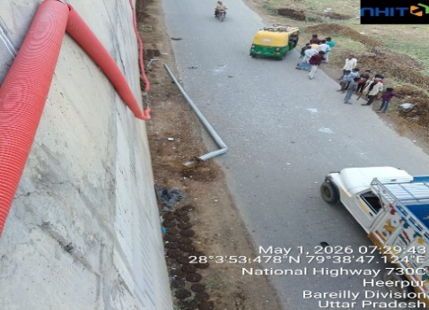 |  | Pole & Foundation Damaged
18 | 290+600 | LHS | Single Arm | Bracket | 1 | 1 | 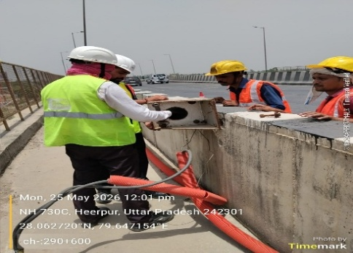 |  | Pole collaps due to storm
19 | 290+800 | RHS | Single Arm | Bracket | 1 | 1 | 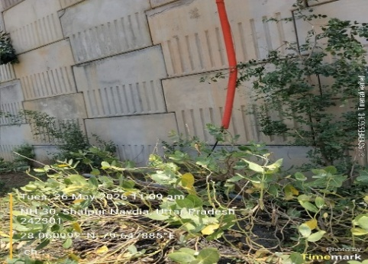
20 | 303+370 | Median | Double Arm | Foundation | 1 | 1 | 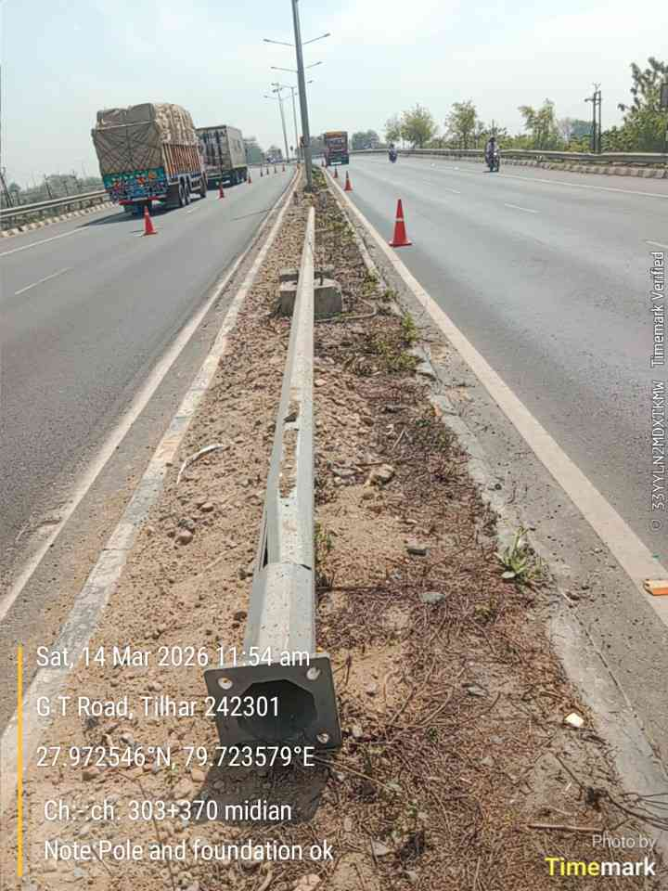 | G T Road, Tilhar 242301 | Pole Collaps
21 | 303+395 | Median | Double Arm | Foundation | 1 | 1 | 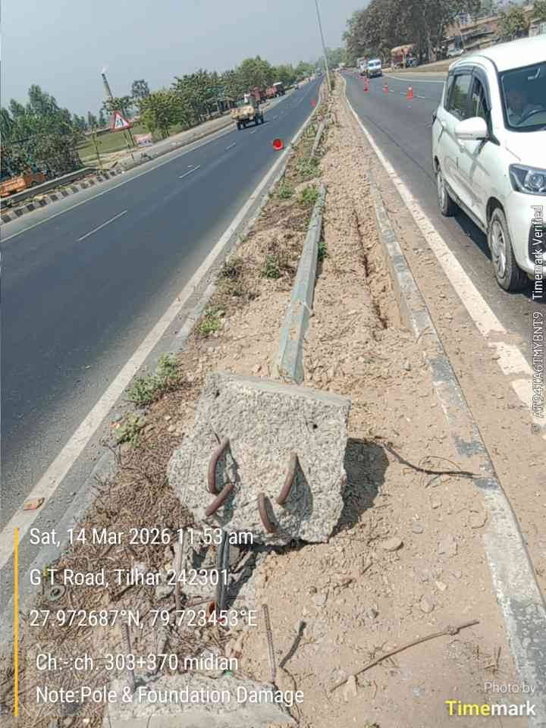 | G T Road, Tilhar 242301 | Pole & Foundation Damaged
22 | 303+540 | Median | Double Arm | Foundation | 1 | 1 | 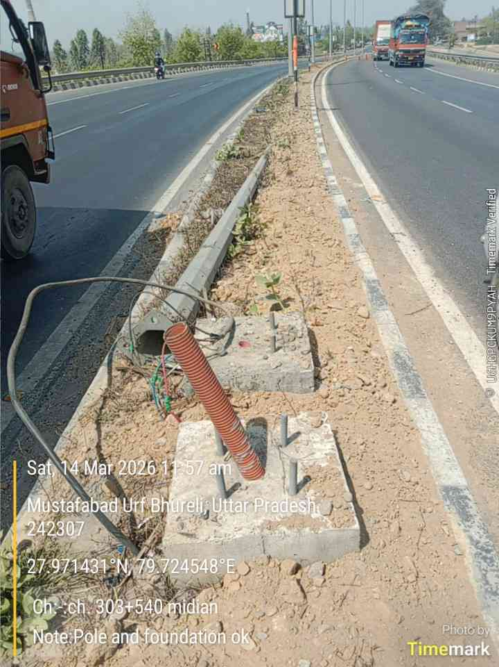 | Mustafabad Urf Bhureli, Uttar Pradesh 242307 | Pole Collaps
23 | 303+565 | Median | Double Arm | Foundation | 1 | 1 | 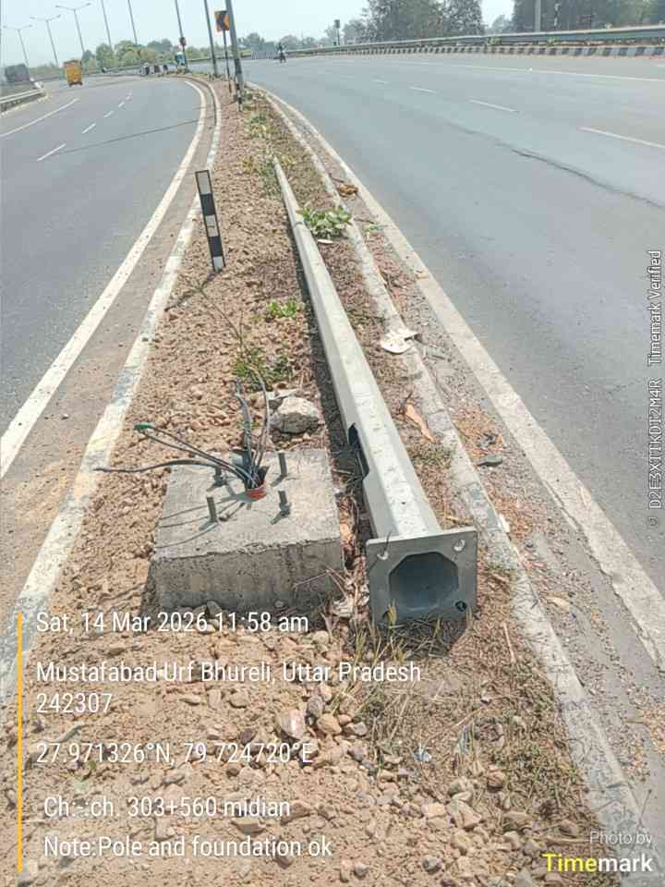 | Mustafabad Urf Bhureli, Uttar Pradesh 242307 | Pole Collaps
24 | 303+640 | Median | Double Arm | Foundation | 1 |  | 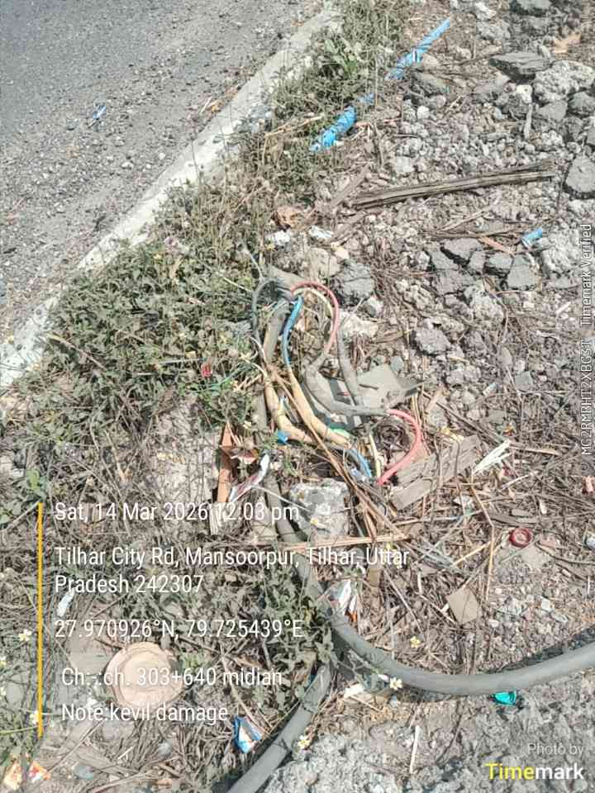 | Tilhar City Rd, Mansoorpur, Tilhar, Uttar Pradesh 242307 | Pole & Foundation Damaged
25 | 303+640 | Median | Double Arm | Foundation | 1 | 1 | 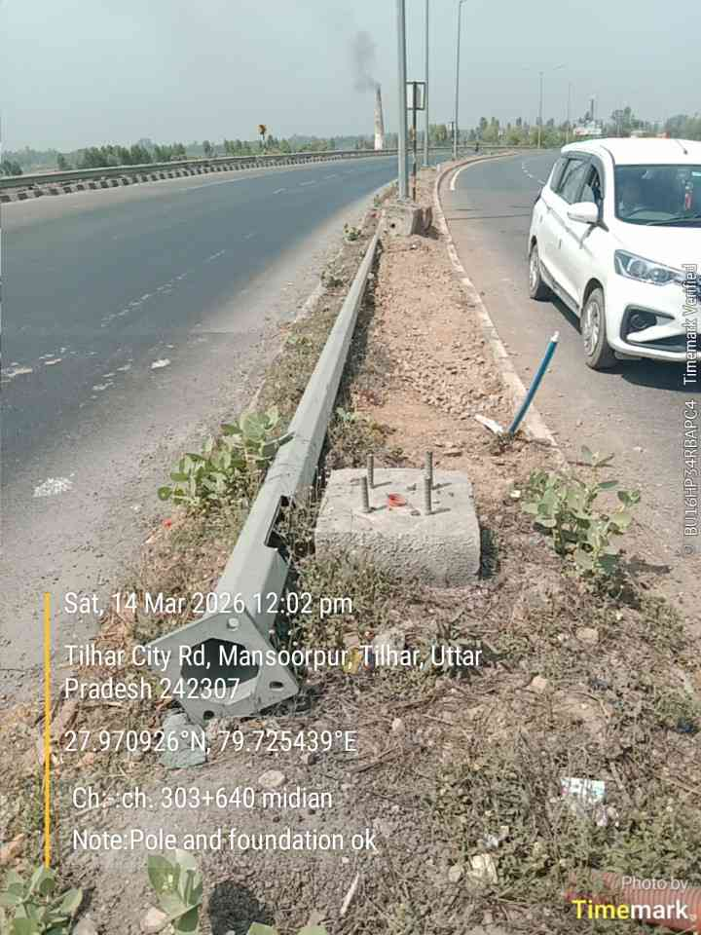 | Tilhar City Rd, Mansoorpur, Tilhar, Uttar Pradesh 242307 | Pole Collaps
26 | 303+320 | Median | Double Arm | Foundation | 1 | 1 | 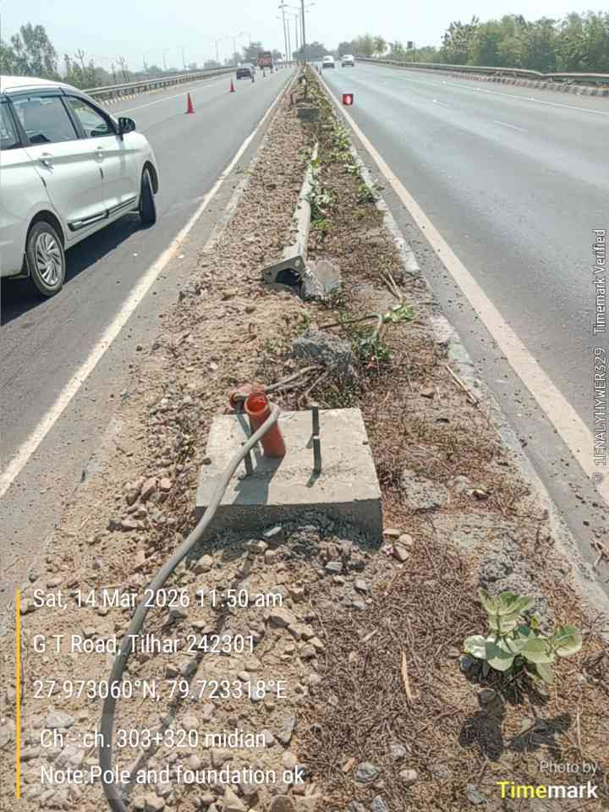 | G T Road, Tilhar 242301 | Pole Collaps
27 | 303+350 | Median | Double Arm | Foundation | 1 | 1 | 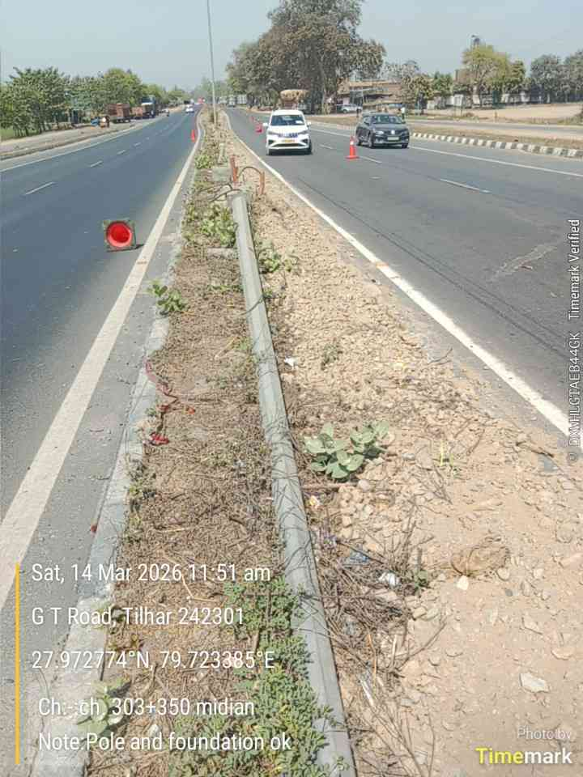 | G T Road, Tilhar 242301 | Pole Collaps
28 | 303+350 | Median | Double Arm | Foundation | 1 | 1 | 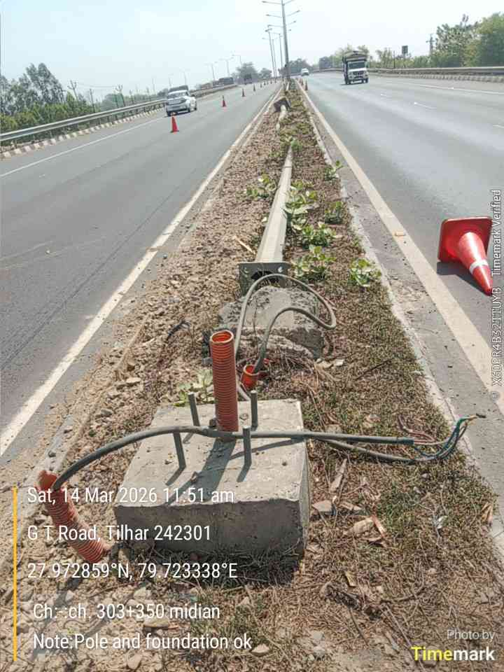 | G T Road, Tilhar 242301 | Pole Collaps
29 | 303+370 | Median | Double Arm | Foundation | 1 | 1 | 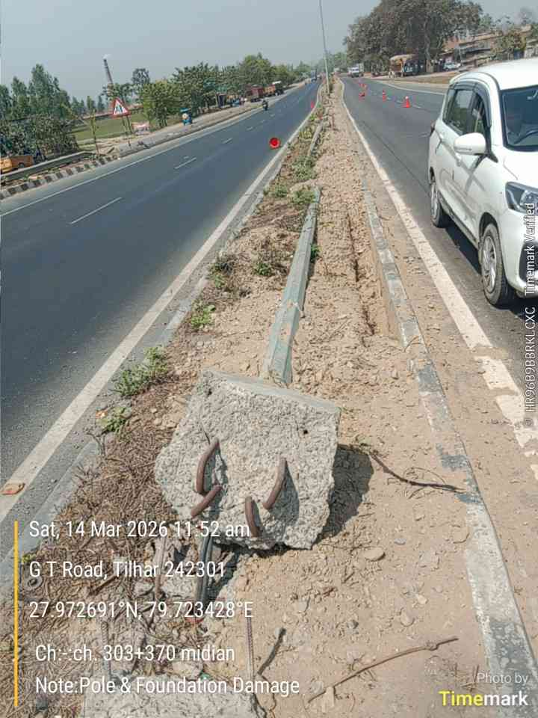 | G T Road, Tilhar 242301 | Pole & Foundation Damaged
30 | 305+850 | LHS | Double Arm | Foundation | 1 | 1 | 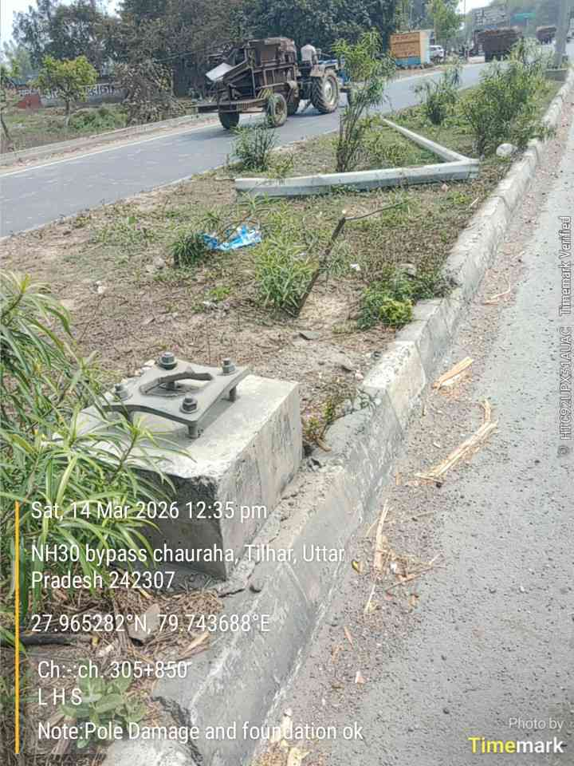 | NH30 bypass chauraha, Tilhar, Uttar Pradesh 242307 | Pole Damaged
31 | 314+600 | RHS | Single Arm | Bracket | 1 |  | 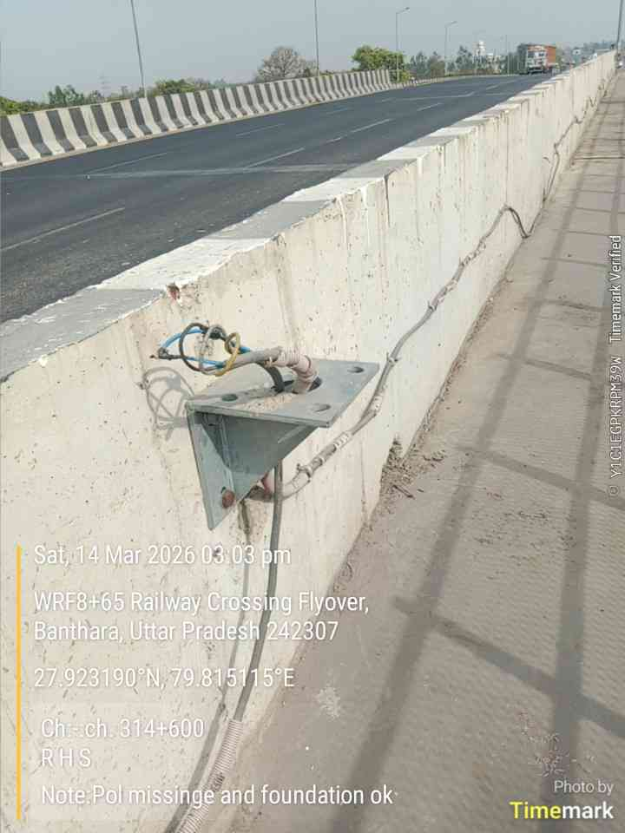 | WRF8+65 Railway Crossing Flyover, Banthara, Uttar Pradesh 242307 | Bracket Pole Damaged
32 | 337+020 | RHS | Double Arm | Foundation | 1 |  | 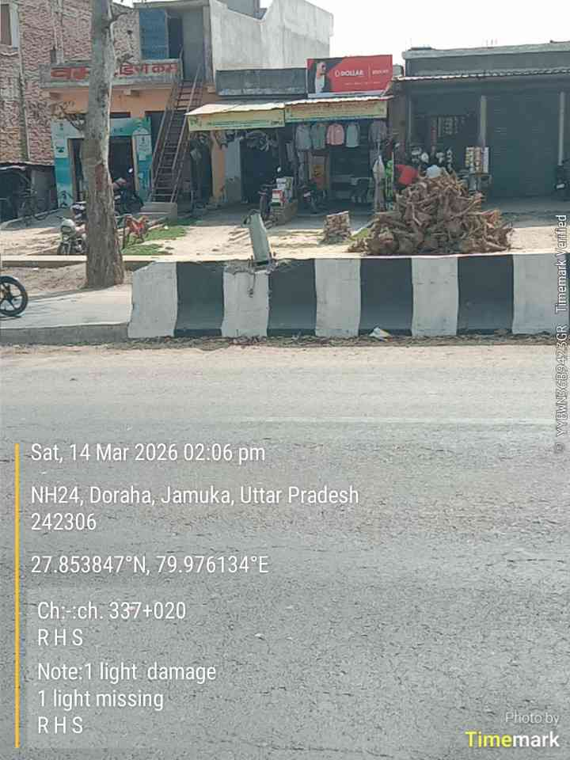 | NH24, Doraha, Jamuka, Uttar Pradesh 242306 | Pole Damaged
33 | 348+600 | LHS | Single Arm | Foundation | 3 |  | 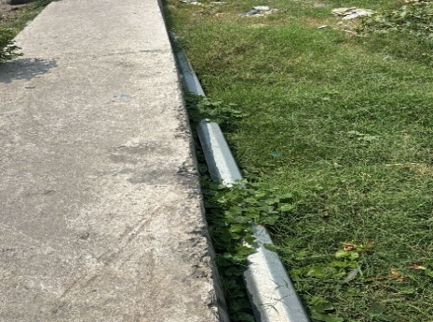
34 | 357+900 | Median | Double Arm | Foundation | 1 |  | 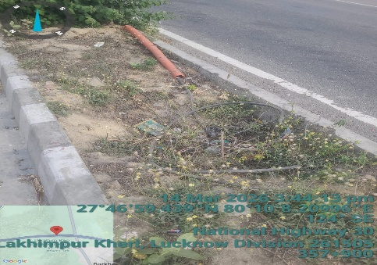 | Barkheriya Jat
35 | 358+100 | Median | Double Arm | Foundation | 1 | 1 | 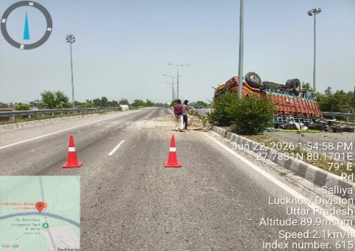
36 | 358+420 | Median | Double Arm | Foundation | 2 |  | 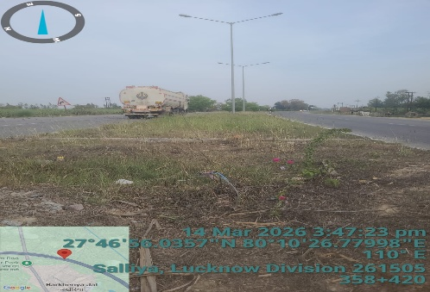 | Barkheriya Jat
37 | 363+400 | Median | Double Arm | Foundation | 2 |  | 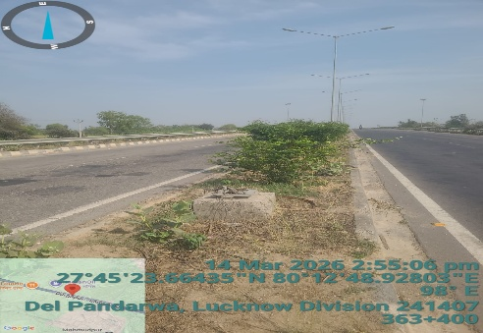 | Mahmoodpur Saraiyan
38 | 369+820 | Median | Double Arm | Foundation | 1 | 1 | 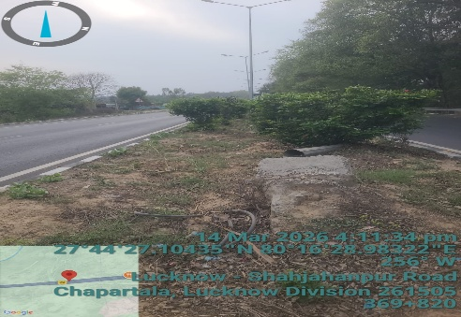 | Chhapartala, Maigalganj
39 | 370+200 | Median | Double Arm | Foundation | 1 |  | 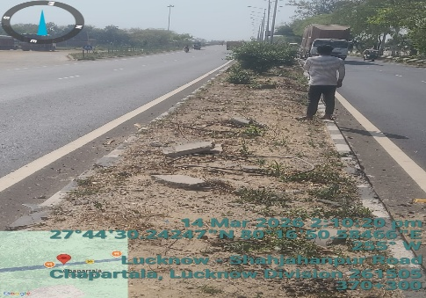 | Chhapartala, Maigalganj
40 | 370+700 | Median | Double Arm | Foundation | 1 |  | 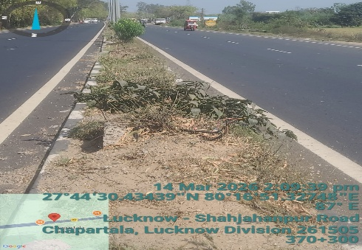 | Chhapartala, Maigalganj
41 | 376+800 | Median | Double Arm | Foundation | 1 |  | 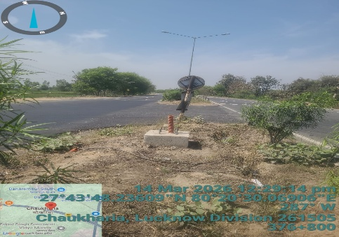 | Maigalganj -Aurangabaad Bypass
42 | 377+000 | Median | Double Arm | Foundation | 1 | 1 | 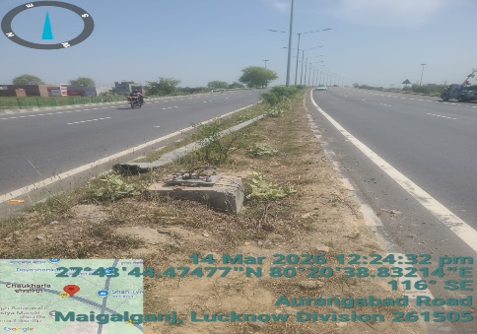 | Maigalganj -Aurangabaad Bypass
43 | 377+350 | Median | Double Arm | Foundation | 1 | 1 | 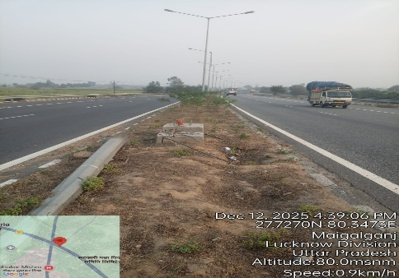 | Maigalganj -Aurangabaad Bypass
44 | 382.75 | Median | Double Arm | Foundation | 2 | 2 | 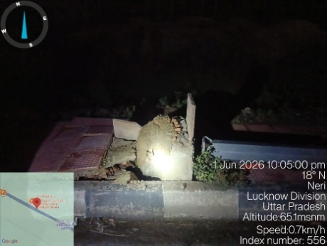 | Neri
45 | 383.65 | Median | Double Arm | Foundation | 1 |  |  | Neri
46 | 387+800 | Median | Double Arm | Foundation | 1 |  | 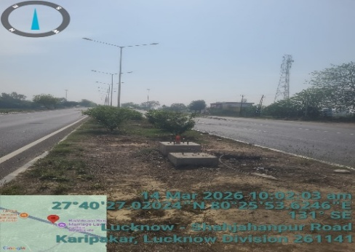 | Bhudiya PO Kachuri,
47 | 387+800 | Median | Double Arm | Foundation | 1 | 1 | 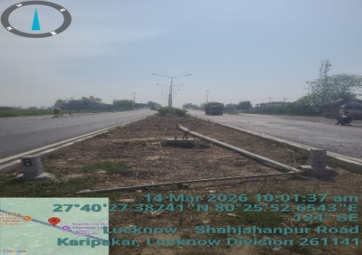 | Bhudiya PO Kachuri,
48 | 387+800 | Median | Double Arm | Foundation | 1 | 1 | 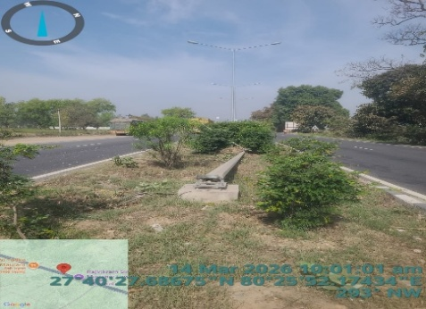 | Bhudiya PO Kachuri,
49 | 388.13 | Median | Double Arm | Foundation | 1 |  | 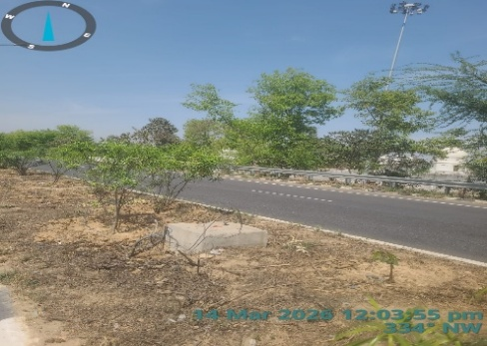 | Bhudiya PO Kachuri,
50 | 392+380 | Median | Double Arm | Foundation | 1 |  | 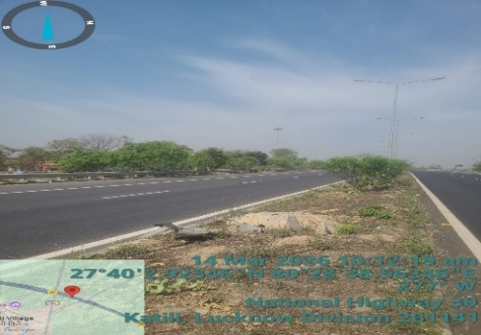 | Maholi Bridge
51 | 392+400 | Median | Double Arm | Foundation | 1 | 1 | 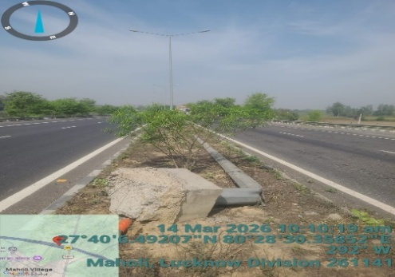 | Maholi Bridge
52 | 392+470 | Median | Double Arm | Foundation | 1 | 1 |  | Maholi Bridge
53 | 392+600 | Median | Double Arm | Foundation | 1 | 1 |  | Maholi Bridge
54 | 401+600 | Median | Double Arm | Foundation | 1 | 1 |  | Bagaha
55 | 403+100 | RHS | Differencial | Bracket | 2 | 2 | 
56 | 403+125 | RHS | Differencial | Bracket | 1 | 1 | 
57 | 403+200 - 403+600 | RHS | Differencial | Bracket | 2 | 2 | 
58 | 402+95 | RHS | Single Arm | Foundation | 3 | 3 | 
59 | 417+400 | Median | Double Arm | Foundation | 1 | 1 |  | kamta sariya-1
60 | 418+650 | Median | Double Arm | Foundation | 1 | 1 |  | kamta sariya-2
 | Spare |  | Double Arm | Foundation | 31 | 10
Total |  |  |  |  | 100 | 60

Damaged Arm
Damaged Arm & Missing Light Details
Sr.No | Chainage | Side | Arm Type | Damaged Arm | Missing Light | Photo | Location | Remark
1 | 274+280 | Median | Double Arm | 1 | 2 |  | NH 30, Bakainiya, Uttar Pradesh 243503 | Pole arm damage
2 | 303+580 | Median | Double Arm | 1 | 1 |  | 0, Tilhar, Uttar Pradesh 242307 | Pole arm damage
3 | 329+660 to 330 +00 | RHS | Flexi Arm | 1 | 3 |  | Hardoi Bypass, Saraikaiyan, Shahjahanpur, Uttar Pradesh 242406 | 1 Arm missing 3 light missing R H S
4 | 329+840 | RHS | Flexi Arm | 2 | 2 |  | Bypass churaha hardoi, Shahjahanpur Bypass Rd, Shahjahanpur, Uttar Pradesh 242406 | 2 Arm missing
5 | 331+900 | RHS | Differencial Arm | 1 | 1 |  | 05, Roza, Ahmadpur Niwazpur, Shahjahanpur, Uttar Pradesh 242406 | 1 light missing
6 | 383+350 | Median | Double Arm | 8 | 16 |  | Neri
7 | Spare |  |  | 10 | 20
Total |  |  |  | 24 | 45

